Notes
WARNING- This document may not work fully using Google sheets. If you would like to use and store this online I recommend Excel online avalible through Onedrive.
The origional work was not by me but from another user in the trove. If I find their name I will add it here. Thank you for your work on this. I have updated to wrath and glory second edition. Tools for character creation use the Character and Ascensions sheets. If you want to find the rules for an item, weapon, trait, psykic power etc use the Look Up Rules Sheet. Database and Loot genenrations sheets are for administration and function only. There should be no reason to edit them. Unless you want to add your own weapons and armour. Only input on orange boxes and use dropdown menus where appropriate All equipment is from the second eddition Wrath and Glory core rule book as well as some ascensions and powers from the fan book Abundance of Apocrpha. This document should be kept up to date with new official rules and more fan rules I find useable in Wrath and Glory sessions. If there are mistakes in the document please let me know and any additions you would like in the document. And if you have any questions send them to sodengames@outlook.com

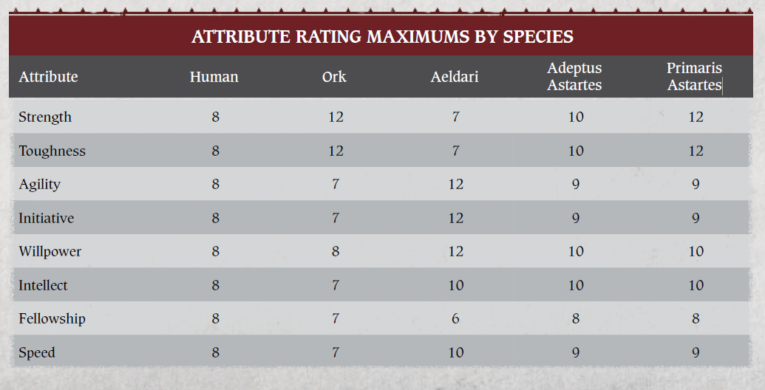
 | For Character Creation:
 | Sheet should be mostly self explaitory. Only enter in orange boxes and use drop down menus where appropriate. Expended experience will be automatically counted in the 'Current Exp' box. Your total experience avalible/ earned should be entered first along with the tier of the game you are playing. Selecting a lower tier archetype than the game will automatically allow you ascensions up to the correct teir. Unavalible ascensions will be covered in red. Ensure that your stats are at least the minimum required for your archetype. (The fully modifed number without armour, not the number that you input) When wearing 'powered' armour your strength trait will be increased automatically and the 'notes' box will go green (remove armour to see natural ability). Only the primary armour slot will contribute to your resilience. The contributed armour will be shown in (). Equpied shields resilience will be shown in []. Shield resilience is not automatically added as the bonus is not always avalible. Armour will force fields will change the determination box to be blue, allowing you to resist mortal wounds. Archetypes with sub factions (such as space marines and their chapters) will apear as a selection in the box after archetype where appropriate and any gain abilities will be shown in the 'Subfaction abilities' box. When in the 'dying' state apply traumatic injuries, as you do so your screen will become reder and fade to black when your character is killed. Memorable injuries are manipuklated in character creation or through gameplay

